Read me
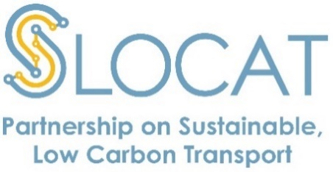
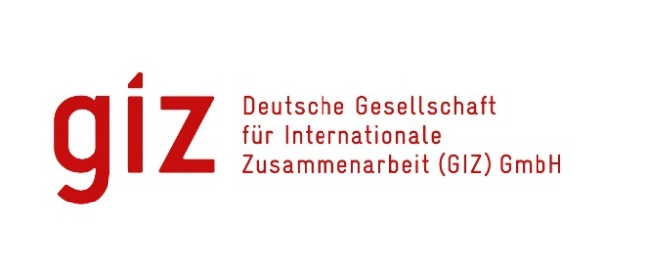
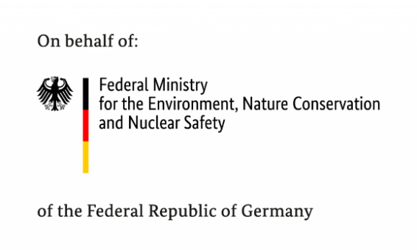

Tracker of Climate Strategies for Transport

The Tracker of Climate Strategies for Transport enables you to get a clear picture of ambition, targets and policies in NDCs and Long-Term Strategies by countries to support sustainable transport. It is currently in its beta stage, so please feel free to share your thoughts and comments with us and help us improve the Tracker over time! The Tracker of Climate Strategies for Transport was developed by the SLOCAT Partnership on Sustainable, Low Carbon Transport and the Advancing Transport Climate Strategies in Rapidly Motorising Countries (TraCS) project that is implemented by the Deutsche Gesellschaft für Internationale Zusammenarbeit (GIZ) and financed by the International Climate Initiative (IKI) of the German Federal Ministry for the Environment, Nature Conservation and Nuclear Safety.

Content of tracker

With the Tracker of Climate Strategies for Transport, you can keep track of national-level climate policies and targets in transport. In particular, it provides information on the role of transport in Nationally Determined Contributions (NDCs) and Long-term Low Greenhouse Gas Emission Development Strategies (LTS) – the two most important instruments of the Paris Agreement to limit global warming to well below 2°C. The tracker will be updated constantly. The newest NDCs and LTS will be added once published on the submissions portal of the United Nations Framework Convention on Climate Change (UNFCCC). The original NDC can be found in the NDC Registry and the LTS are compiled here. The Tracker of Climate Strategies for Transport will be updated in the future with other major national strategies, starting with the relevant transport documents references in the LTS and NDCs.

Usage
The database and content included in this document fall under the creative commons license CC BY 4.0. You are free to share (copy and redistribute data in any form) and adapt (build upon the data for any purpose) as long as appropriate credit is provided. Please cite the database as follows:

GIZ & SLOCAT. (2022). Tracker of Climate Strategies for Transport (vs 1.1). Available from: www.changing-transport.org/tracker.

Please be aware that the database is still work-in-progress and not all features/information might work correctly.

